Data Integrity of Cleaned Data
Data Accuracy

 |  | Variable 1 | Variable 2 | Variable 3 | Variable 4 | Variable 5 | Variable 6 | Variable 7
 | Minimum
 | Maximum
 | Mean

 |  | Notes

Data Consistency
(Counts Expected from the Variables)

 | Variables | Count

Example
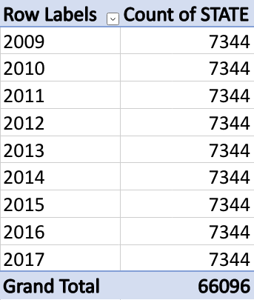
Year and State

 | • We expect to have 7344 counts per year.

